triggers
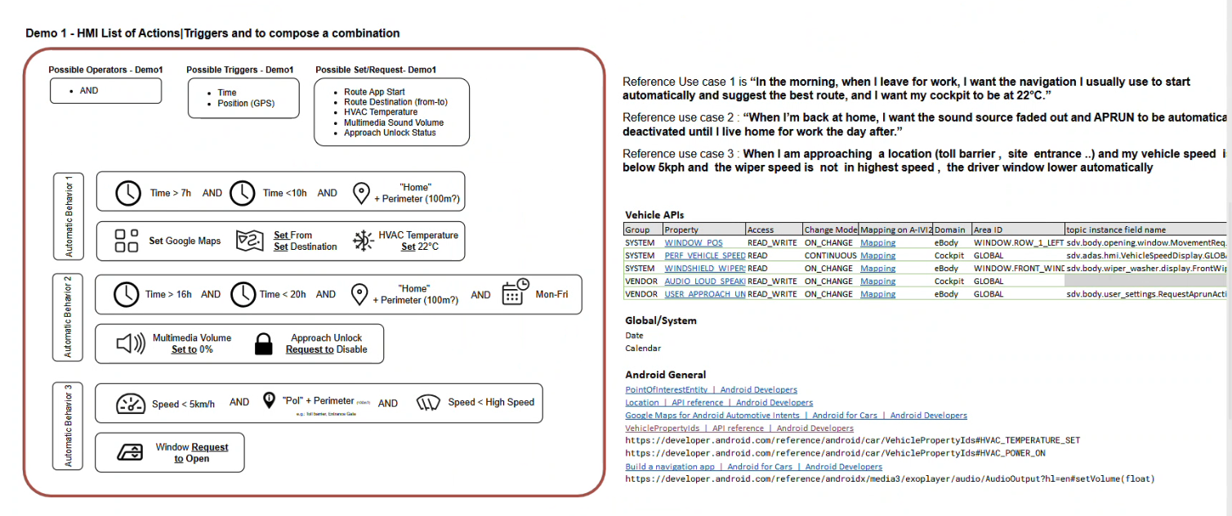
trigger | use_id
 | speed
 | power_on
 | gear
 | date
 | time
 | GPS
 | POI name = toll barrier/site entrance
 | weekday
 | out_temp
 | volume
 | approach_unlock_state
 | wiper_speed
 | door_lock/unlock
 | window_position
action | google_map_start
 | google_map_destination_set
 | google_map_route_set
 | HVAC_start
 | HVAC_temperature_set
 | approach_unlock_set
 | volume_set
 | window_set

